Sheet1
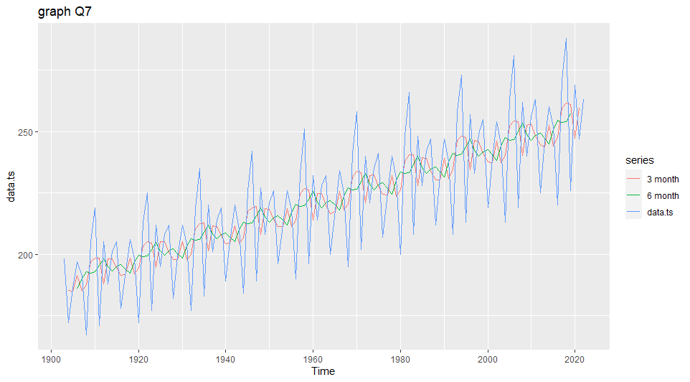
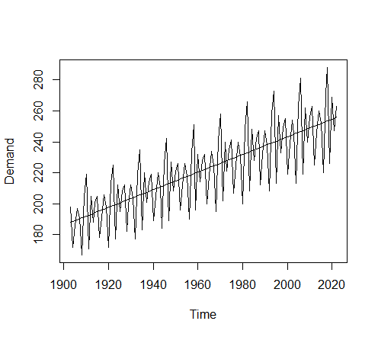
> summary(fc4)
Forecast method: Simple exponential smoothing
Model Information:
Simple exponential smoothing
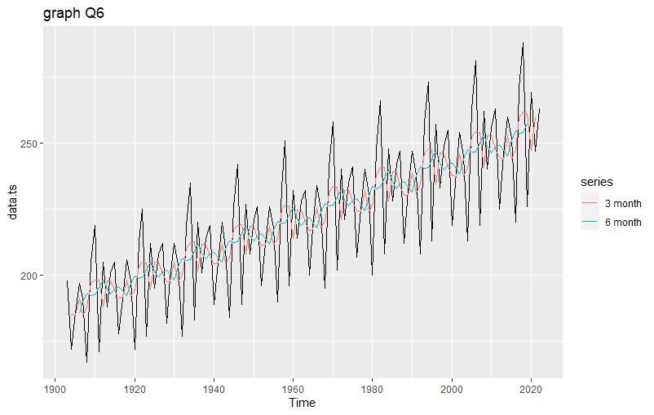
Call:
ses(y = data.ts, h = 1)
Smoothing parameters:
alpha = 0.1151
Initial states:
l = 192.2093
sigma: 19.2257
AIC AICc BIC
1287.981 1288.188 1296.344
Error measures:
ME RMSE MAE MPE
Training set 4.337841 19.06477 16.18019 1.269512
MAPE MASE ACF1
Training set 7.292674 0.6542449 -0.3561495
Forecasts:
Point Forecast Lo 80 Hi 80 Lo 95
2023 252.1453 227.5066 276.7839 214.4637
Hi 95
2023 289.8269

